Transfer Form
Angus Australia Locked Bag 11 Armidale, NSW, 2350 regos@angusaustralia.com.au Phone: (02) 6773 4600 Fax: (02) 6772 3095 |  |  | TRANSFER APPLICATION |  |  | 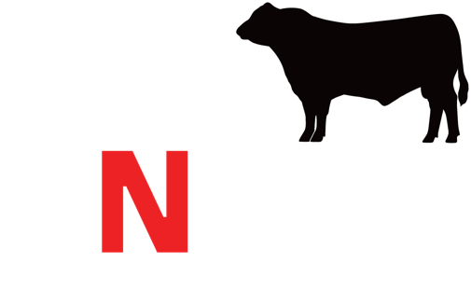
Herd Id |  | Date: |  | Name of transferor: |  | Sign:
As per section 12.10 of the Regulations, prior to transfer at least two forms of permanent identification must be applied, as specified in Regulations 6.32 to 6.36. I certify that, I have disposed of the following animal(s), and that ownership is passed onto the purchaser(s) on the date(s) listed below.
Transferor / Purchaser(s) will be covering the transfer cost for females (circle)- If left blank the transferor will be default and charged

1 | Animal Ident | Transfer Date | Name of Puchaser | Address of Purchaser | NLIS ID | Puchaser Herd Id (if known)
2
3
4
5
6
7
8
9
10
11
12
13
14
15

